E3 data
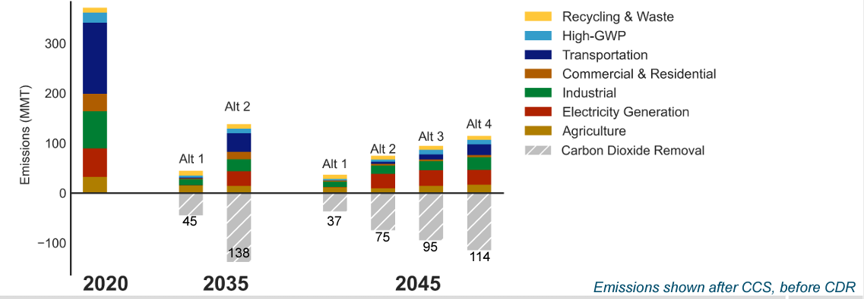
2045 Potential max potential | 80.25 | MMT CO2e

Scenarios in 2022 SP Analysis | 2045 CDR achieved in MMT
Alt 1 | 37
Alt 2 | 75
Alt 3 (Proposed Plan) | 95
Alt 4 | 114

mean value | 80.25

Capital cost | $146

DAC Liquid Solvent Cost and Energy Inputs
Category | Value | Unit | Reference & Assumption | Notes
Thermal input - Low | 2.14 | MWh/tCO2 captured | NAS Report 2018 lower bound - 7.7 GJ/tCO2 | Consists of 2 major components: a contactor where CO2 reacts with a KOH solvent to produce K2CO3 and fed into a causticizer where it reacts with calcium hydroxide to form CaCO3. The second part of the process involves a calciner and regeneration where CaCO3 is heated to very high temperatures ~ 900 C to produce high purity CO2 and CaO.
Electrical input - Low | 0.21 | MWh/tCO2 captured | NAS Report 2018 lower bound - 0.74 GJ/tCO2
Thermal input - High | 2.97 | MWh/tCO2 captured | NAS Report 2018 upper bound - 10.7 GJ/tCO2
Electrical input - High | 0.47 | MWh/tCO2 captured | NAS Report 2018 upper bound - 1.7 GJ/tCO2
Maximum Temperature Achieved | 900 | C | NAS Report 2018
Fraction of thermal input met with Nuclear Heat | 0.5 | fraction of thermal | Heating potential
Low - Capital Cost of DAC System | $675,000,000 | 2018$ | NAS Report - Lower bound CAPEX
High - Capital Cost of DAC System | $1,255,000,000 | 2018$ | NAS Report - Higher bound CAPEX
Low VOM (maintenance, labor, makeup and waste removal) | $29 | $M/year | NAS Report
High VOM (maintenance, labor, makeup and waste removal) | $50 | $M/year | NAS Report
Annualized Low Fixed Cost (w/o energy requirements) | $90 | $/tCO2 | Calculation
Annualized High Fixed Cost (w/o energy requirements) | $163 | $/tCO2 | Calculation
CO2 transportation and storage cost | $20 | $/tCO2 | E3 Assumption

Calculations
Deployment Assumptions:
Year | 2030 | 2045
Deployment (MMT CO2e) | 0 | 80.25

Logistic Curve Function:
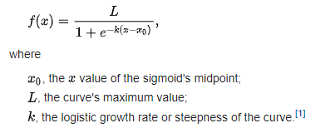

Note: The values below are assumptions to construct the s-shaped curve, which reaches 40 in 2045 and approaches the assumed maximum (L) in 2050.
Logistic Curve Values
L | 43
k | -0.52
X0 | -10

Estimated Deployment Along Logistic Curve:
Year | 2030 | 2031 | 2032 | 2033 | 2034 | 2035 | 2036 | 2037 | 2038 | 2039 | 2040 | 2041 | 2042 | 2043 | 2044 | 2045 | 2046 | 2047 | 2048 | 2049 | 2050
Value | 0 | 0.79065866159 | 1.3216226786 | 2.1999477948 | 3.6369203784 | 5.9459041495 | 9.5508131372 | 14.933611644 | 22.458899477 | 32.065292097 | 43 | 53.934707903 | 63.541100523 | 71.066388356 | 76.449186863 | 80.05409585 | 82.363079622 | 83.800052205 | 84.678377321 | 85.209341338 | 85.528178295
 |  | 0.39532933079 | 0.66081133931 | 1.0999738974 | 1.8184601892 | 2.9729520748

